Sheet1
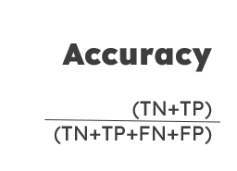
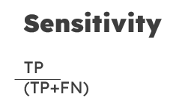
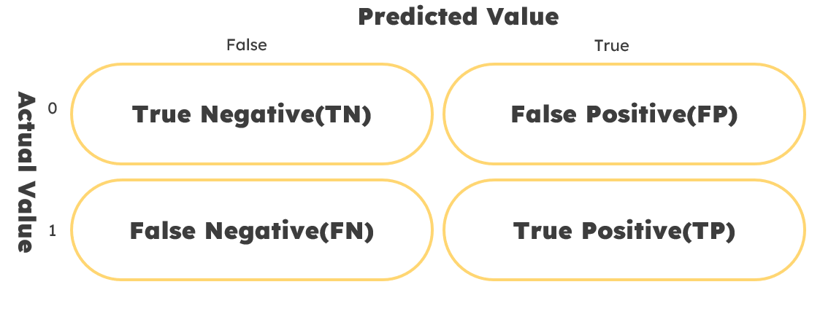
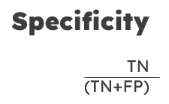
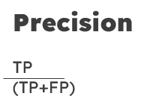

Accuracy, a crucial metric in classification tasks, evaluates a model's performance by measuring the proportion of correctly classified instances. It is calculated by summing the true positive and true negative values and dividing by the total instances, representing the ratio of correctly predicted instances to the total. | Sensitivity, or Recall, assesses how well a model can identify positive instances accurately; it quantifies the model's performance in predicting positive values correctly when they are actually positive, calculated as the ratio of true positive predictions to total actual positives. |  |  |  | Specificity evaluates the model's capacity to accurately detect negative instances, addressing the query of how frequently the model correctly predicts negativity; it is quantified by the ratio of true negative predictions to the total actual negative values. | Precision is a critical measure in classification tasks to assess the model's accuracy in identifying positive instances, emphasizing the correctness of positive predictions; it quantifies the frequency of correct positive predictions relative to all predicted positive values through the ratio of true positive predictions to total predicted positives, where true positives are instances correctly classified as positive.

 |  | It provides a concise overview of the performance through the illustration of the quantities of true positives (TP), true negatives (TN), false positives (FP), and false negatives (FN). Through the utilization of the confusion matrix, one can gain insights into the various categories of errors committed by the model.

 |  | Comparison | Logistic Regression | Artificial Neural Network
 |  | Accuracy Rate | 93.75% | 93.75%
 |  | Sensitivity Rate | 92.85% | 100%
 |  | Specificity Rate | 100% | 50%
 |  | Precision Rate | 100% | 93.33%

